Raw targets adjustments
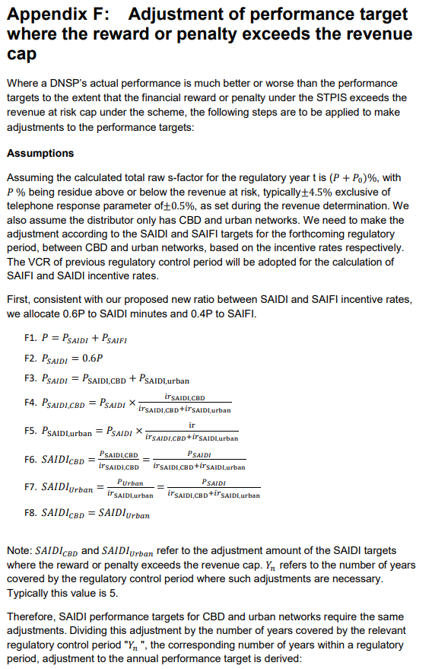
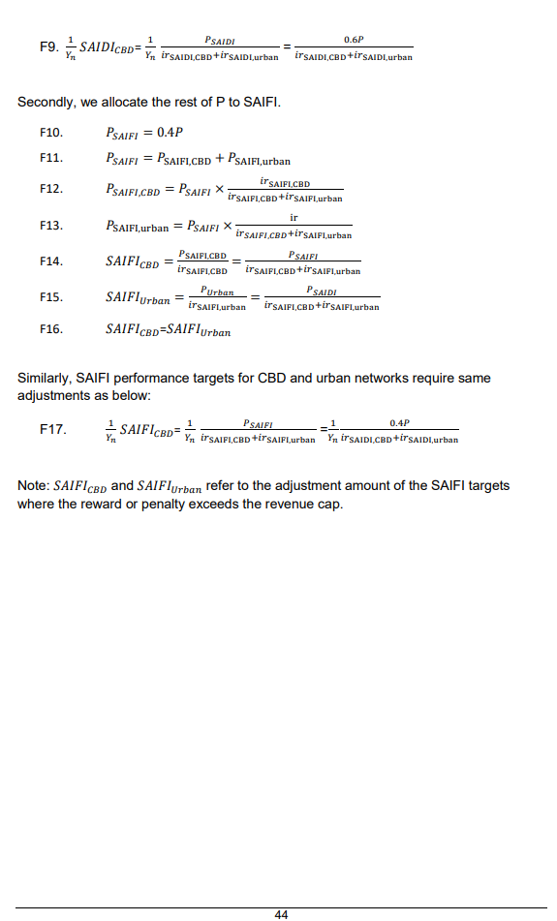
STPIS Compliance Model (2019/20 recasted into STPIS 2.0)
Measure | 2019/20 | 2020/21 | 2021/22 | 2022/23 | 2023/24 | SOURCE
Unplanned SAIDI - CBD | 29.5470 | 23.1401 | 13.2055 | 12.9806 | 13.9867 | AER annual compliance outcomes
Unplanned SAIDI - urban | 84.9063 | 82.5102 | 102.6724 | 102.1518 | 90.0952
Unplanned SAIDI - short rural | 144.6205 | 165.5953 | 149.0885 | 180.2372 | 197.4532
Unplanned SAIDI - long rural | 260.4134 | 295.1070 | 281.0245 | 299.1168 | 334.2022

Unplanned SAIFI - CBD | 0.2093 | 0.1659 | 0.1622 | 0.1784 | 0.1231
Unplanned SAIFI - urban | 0.7728 | 0.8599 | 0.9060 | 0.8708 | 0.8036
Unplanned SAIFI - short rural | 1.1219 | 1.0677 | 0.9490 | 1.2267 | 1.2955
Unplanned SAIFI - long rural | 1.3127 | 1.3531 | 1.4083 | 1.4313 | 1.6358
Telephone | 0.8036 | 0.8956 | 0.9065 | 0.9147 | 0.9193

S-Factor (STPIS Compliance Model) | 2019/20 | 2020/21 | 2021/22 | 2022/23 | 2023/24 | Cummulative
sum of the raw s-factors for the relaibility of supply parameters | 5.7330% | 2.0819% | 1.3355% | 0.8144% | 0.8730%
Reliability cap | 4.5000% | 4.5000% | 4.5000% | 4.5000% | 4.5000%
performance over the cap | 1.2330% | 0.0000% | 0.0000% | 0.0000% | 0.0000% | 1.233%

%above cap exlcuding telephone answering |  |  | 1.233%
SAIDI proportion |  |  | 0.740%
SAIFI proportion |  |  | 0.493%

 | CBD | Urban | Short rural | Long rural
SAIDI Incentive rates in current regulatory period | 0.003 | 0.0365 | 0.0070 | 0.0072 |  | Note: Use 2015-2020 regulatory control period as year where performanc exceeded the cap is 2019/20
Adj required to 2025-30 RCP reliability targets due to R@R cap for 2020-25 SAIDI | 0.041% | 0.503% | 0.096% | 0.099%
SAIFI Incentive rates in current regulatory period | 0.2557 | 3.3786 | 0.9122 | 1.2094 |  | Note: Use 2015-2020 regulatory control period as year where performanc exceeded the cap is 2019/20
Adj required to 2025-30 RCP reliability targets due to R@R cap for 2020-25 SAIFI | 0.022% | 0.289% | 0.078% | 0.104%

Adj required to 2025-30 RCP reliability targets due to R@R | 2.76 | 2.76 | 2.76 | 2.76 | SAIDI
Adj required to 2025-30 RCP reliability targets due to R@R | 0.01714 | 0.01714 | 0.01714 | 0.01714 | SAIFI

Telephone GOS - Adj required to 2025-30 RCP telephone GOS targets due to R@R cap for 2020-25 SAIDI | -0.00531

 | SAIDI |  |  |  |  | SAIFI
Adjustments | CBD | Urban | Rural Short | Rural Long |  | CBD | Urban | Rural Short | Rural Long
Baseline | 18.5720 | 92.4672 | 167.3989 | 293.9728 |  | 0.1678 | 0.8426 | 1.1322 | 1.4283
2019-20 R@R CAP | 2.7553 | 2.7553 | 2.7553 | 2.7553 |  | 0.0171 | 0.0171 | 0.0171 | 0.0171
Low reliability feeders |  | -0.1702 | -0.6277 | -4.2109 |  |  | -0.0011 | -0.0027 | -0.0130
Poor regional improvement |  |  | -0.4648 | -2.5496 |  |  |  | -0.0020 | -0.0127
Long rural restoration |  |  |  | -1.6986 |  |  |  |  | -0.0062
Mobile generators |  |  | -0.6691 | -2.6811
CBD Reliability (partial acceptance as outlined in Attachment 5 - capex) | -1.0584 |  |  |  |  | -0.0054
MAIFI | - | -0.0028 | -0.0235 | -0.0023 |  | - | -0.0011 | -0.0100 | -0.0013
15-minute planned interruptions | - | 0.0712 | 0.1185 | 0.1288 |  | - | 0.0136 | 0.0243 | 0.0213
Days no longer classified as MEDs (ie two less MEDs) (no adjustment)
Adjusted targets | 20.2689 | 95.1206 | 168.4875 | 285.7143 |  | 0.1795 | 0.8711 | 1.1589 | 1.4335
Total Adjustments | 1.6969 | 2.6534 | 1.0886 | -8.2585 |  | 0.0117 | 0.0285 | 0.0267 | 0.0053

FORECAST ENERGY CONSUMPTION BY NETWORK TYPE
Network Type |  |  | 2025/26 | 2026/27 | 2027/28 | 2028/29 | 2029/30 | 5 Year Average MWH
CBD |  |  | 634,443 | 661,834 | 677,761 | 698,190 | 714,189 | 677,283
URBAN |  |  | 7,451,668 | 7,773,391 | 7,960,455 | 8,200,389 | 8,388,312 | 7,954,843
SHORT RURAL |  |  | 1,479,134 | 1,542,995 | 1,580,127 | 1,627,753 | 1,665,055 | 1,579,013
LONG RURAL |  |  | 1,399,315 | 1,459,730 | 1,494,858 | 1,539,914 | 1,575,203 | 1,493,804

Incentive rates calc
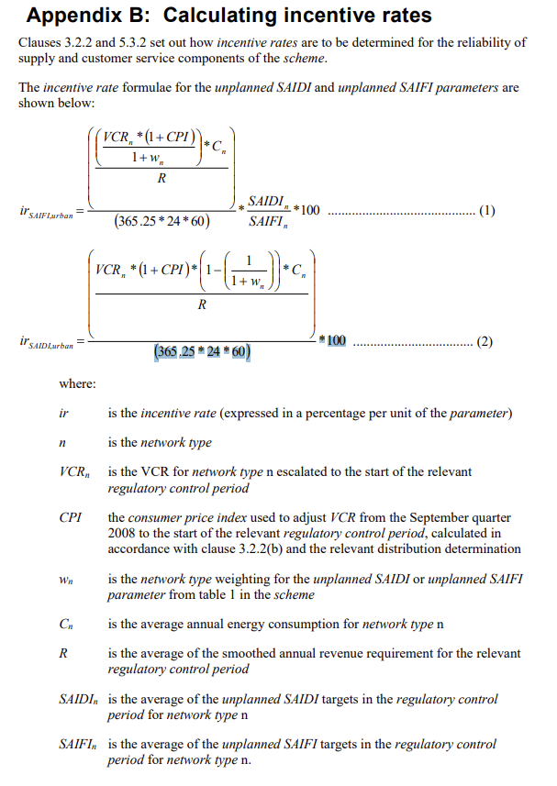
Incentive rates calculation

Incentive rate attributes |  | CBD | Urban | Short rural | Long rural
Value of Customer Reliability (VCR) for SA ($/MWh) | VCRn | 34,390 | 33,320 | 33,320 | 33,320
Average annual energy consumption by network type (MWh) | Cn | 677,283 | 7,954,843 | 1,579,013 | 1,493,804
Average smoothed revenue requirement ($) | R | 958,709,946 | 958,709,946 | 958,709,946 | 958,709,946
Average unplanned SAIFI target | SAIFIn | 0.1795 | 0.8711 | 1.1589 | 1.4335
Average unplanned SAIDI target | SAIDIn | 20.2689 | 95.1206 | 168.4875 | 285.7143
Network type weighting | wn | 1.5 | 1.5 | 1.5 | 1.5
Inflation | CPI | 0.0022 | 0.0022 | 0.0022 | 0.0022
SAIDI Incentive rates |  | 0.0028 | 0.0316 | 0.0063 | 0.0059
SAIFI Incentive rates |  | 0.2091 | 2.3008 | 0.6081 | 0.7886

